24ga
Customer |  | Date
Project |  | Request date
Order # |  | Shipping

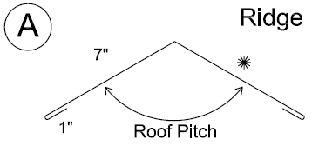
 | ROOF PITCH
 | GAUGE
 | COLOR
 | LIN. FEET
 | PRICE per ft.
 | STRETCH OUT |  | 16 | "
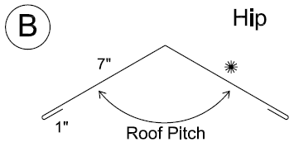
 | ROOF PITCH
 | GAUGE
 | COLOR
 | LIN. FEET
 | PRICE per ft.
 | STRETCH OUT |  | 16 | "
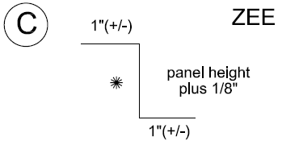
 | ROOF PITCH
 | GAUGE
 | COLOR
 | LIN. FEET
 | PRICE per ft.
 | STRETCH OUT | Choose Profile
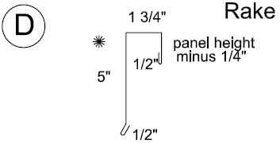
 | ROOF PITCH
 | GAUGE
 | COLOR
 | LIN. FEET
 | PRICE per ft.
 | STRETCH OUT | Choose Profile
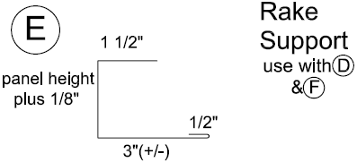
 | ROOF PITCH
 | GAUGE
 | COLOR
 | LIN. FEET
 | PRICE per ft.
 | STRETCH OUT | Choose Profile
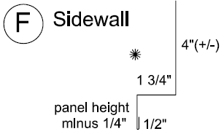
 | ROOF PITCH
 | GAUGE
 | COLOR
 | LIN. FEET
 | PRICE per ft.
 | STRETCH OUT | Choose Profile
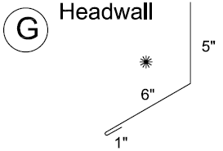
 | ROOF PITCH
 | GAUGE
 | COLOR
 | LIN. FEET
 | PRICE per ft.
 | STRETCH OUT |  | 12 | "
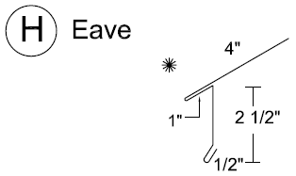
 | ROOF PITCH
 | GAUGE
 | COLOR
 | LIN. FEET
 | PRICE per ft.
 | STRETCH OUT |  | 8 | "
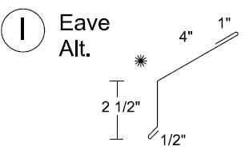
 | ROOF PITCH
 | GAUGE
 | COLOR
 | LIN. FEET
 | PRICE per ft.
 | STRETCH OUT |  | 8 | "
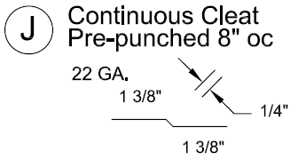
 | ROOF PITCH
 | GAUGE
 | COLOR
 | LIN. FEET
 | PRICE per ft.
 | STRETCH OUT |  | 3 | "
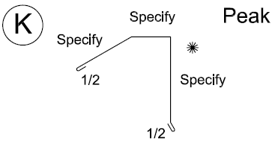
 | ROOF PITCH
 | GAUGE
 | COLOR
 | LIN. FEET
 | PRICE per ft.
 | STRETCH OUT |  | 16 | "
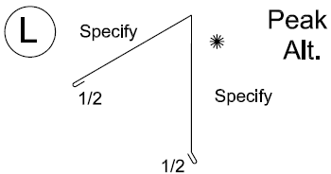
 | ROOF PITCH
 | GAUGE
 | COLOR
 | LIN. FEET
 | PRICE per ft.
 | STRETCH OUT |  | 13.5 | "
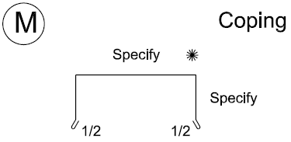
 | ROOF PITCH
 | GAUGE
 | COLOR
 | LIN. FEET
 | PRICE per ft.
 | STRETCH OUT |  | 24 | "
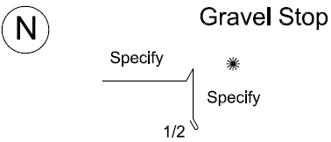
 | ROOF PITCH
 | GAUGE
 | COLOR
 | LIN. FEET
 | PRICE per ft.
 | STRETCH OUT |  | 12 | "
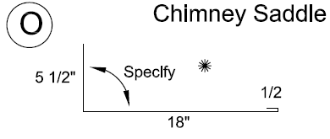
 | ROOF PITCH
 | GAUGE
 | COLOR
 | LIN. FEET
 | PRICE per ft.
 | STRETCH OUT |  | 24 | "
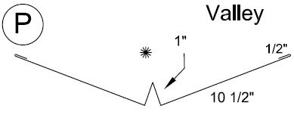
 | ROOF PITCH
 | GAUGE
 | COLOR
 | LIN. FEET
 | PRICE per ft.
 | STRETCH OUT |  | 24 | "
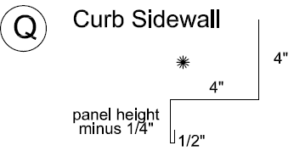
 | ROOF PITCH
 | GAUGE
 | COLOR
 | LIN. FEET
 | PRICE per ft.
 | STRETCH OUT | Choose Profile
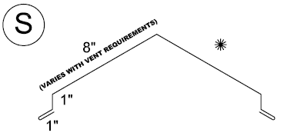
 | ROOF PITCH
 | GAUGE
 | COLOR
 | LIN. FEET
 | PRICE per ft.
 | STRETCH OUT |  | 22 | "
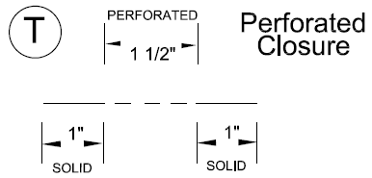
 | ROOF PITCH
 | GAUGE
 | COLOR
 | LIN. FEET
 | PRICE per ft.
 | STRETCH OUT |  | 3.5 | "
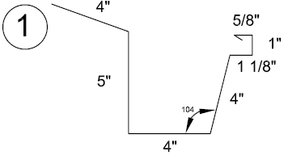
 | ROOF PITCH
 | GAUGE
 | COLOR
 | LIN. FEET
 | PRICE per ft.
 | STRETCH OUT |  | 20 | "
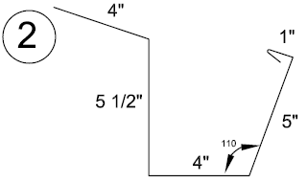
 | ROOF PITCH
 | GAUGE
 | COLOR
 | LIN. FEET
 | PRICE per ft.
 | STRETCH OUT |  | 20 | "
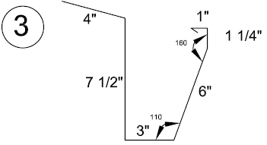
 | ROOF PITCH
 | GAUGE
 | COLOR
 | LIN. FEET
 | PRICE per ft.
 | STRETCH OUT |  | 24 | "
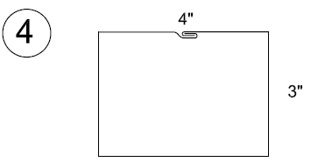
 | ROOF PITCH
 | GAUGE
 | COLOR
 | LIN. FEET
 | PRICE per ft.
 | STRETCH OUT |  | 15 | "
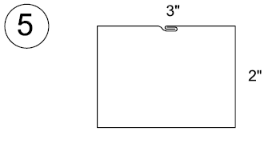
 | ROOF PITCH
 | GAUGE
 | COLOR
 | LIN. FEET
 | PRICE per ft.
 | STRETCH OUT |  | 11 | "
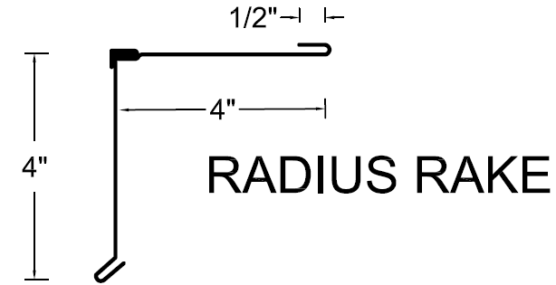
 | ROOF PITCH
 | GAUGE
 | COLOR
 | LIN. FEET
 | PRICE per ft.
 | STRETCH OUT |  |  | "
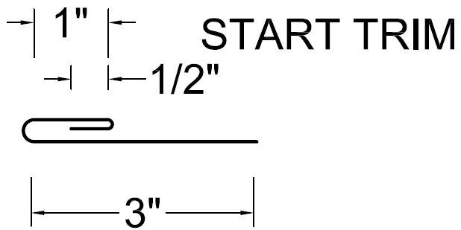
 | ROOF PITCH
 | GAUGE
 | COLOR
 | LIN. FEET
 | PRICE per ft.
 | STRETCH OUT |  | 4.5 | "

 | ROOF PITCH
 | GAUGE
 | COLOR
 | LIN. FEET
 | PRICE per ft.
 | STRETCH OUT |  | 3 | "

 | ROOF PITCH
 | GAUGE
 | COLOR
 | LIN. FEET
 | PRICE per ft.
 | STRETCH OUT |  | 4 | "

 | ROOF PITCH
 | GAUGE
 | COLOR
 | LIN. FEET
 | PRICE per ft.
 | STRETCH OUT |  | 8 | "

 | ROOF PITCH
 | GAUGE
 | COLOR
 | LIN. FEET
 | PRICE per ft.
 | STRETCH OUT |  | 5 | "

 | ROOF PITCH
 | GAUGE
 | COLOR
 | LIN. FEET
 | PRICE per ft.
 | STRETCH OUT |  |  | "

 | ROOF PITCH
 | GAUGE
 | COLOR
 | LIN. FEET
 | PRICE per ft.
 | STRETCH OUT |  |  | "

 | ROOF PITCH
 | GAUGE
 | COLOR
 | LIN. FEET
 | PRICE per ft.
 | STRETCH OUT |  |  | "

 | ROOF PITCH
 | GAUGE
 | COLOR
 | LIN. FEET
 | PRICE per ft.
 | STRETCH OUT |  |  | "

 | ROOF PITCH
 | GAUGE
 | COLOR
 | LIN. FEET
 | PRICE per ft.
 | STRETCH OUT |  |  | "

 | ROOF PITCH
 | GAUGE
 | COLOR
 | LIN. FEET
 | PRICE per ft.
 | STRETCH OUT |  |  | "

